1.3.22 Bugs
Sr. No | Steps | Issue Description | Priority | Status | Result | Remark
1 | TLWM>Wash Wizard>Stain Genius>Click Cloth Image with Stains [Continuously press 5 times] | App crash | Low | Open | Fail | Device Specific [Validated for other phones like Google Pixel , Samsung S10 Lite , Honor 8 and Viv0 1716 ] . Crash not reproducible
2 | TLWM>Wash Wizard>Stain Genius>Click Cloth Image with stains | Stain Genius not recommending correct stain Type | High | Open | Fail | 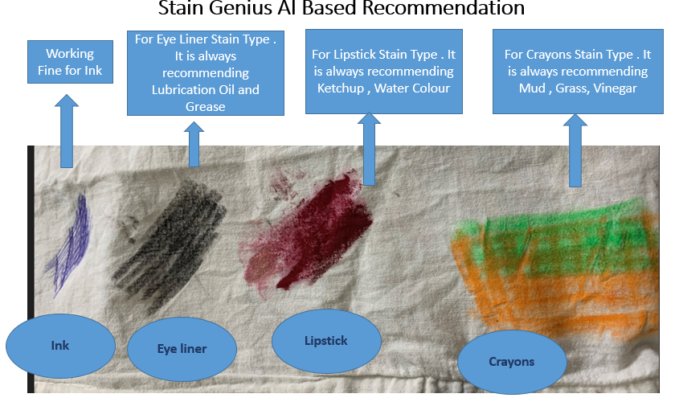
3 | Enable AI Mode from Room and Click on AC Widget > AC Details Page showing text Device is in AI Mode Please do not control the device manually | Localization Pending : [17:01] Shrikant Nandanwar Device is in AI Mode Please do not control the device manually | Low | Open | Fail
4 | Login with Thailand/Singapore User > Send your feedback | Need to translate Intesis AC and PCC AC in Thai and Tamil Language | Low | Closed | Pass
5 | Login with India User > Water Heater > Setting Page > Switch Off Heater change to hour > Now back to Details Page | Switch off heater showing in minutes text instead of Hour | Low | Closed | Pass
6 | Smart Profile | Translation issues in Smart Profile | Low | Closed | Pass
7 | User Experience | Delete room > then swipe horizontal to see rooms > it is showing refresh and it is not refreshing | Low | Closed | Pass
8 | [Click Smart Profile > Plus Button> Choose Device> Click on Arrow for update action [For All languages] | Update action button hide and clutter | High | Closed | Pass
9 | Panasonic YV option | CLick on Panasonic TV option it will ask for input password and keypad will come out .. then press back button but keypad not dismiss | Medium | Closed | Pass
10 | Push Notifications | App crash after receive Marketing Notification | High | Closed | Pass
11 | Smart Profile > Blue Touch Area | Touch area need to increase for update action after click on Arrow mark in Bottom sheet for Smart profiles | Medium | Closed | Pass
12 | Update Action Bottom Sheet | Swipe up and down in Bottom Sheet . Black line no need to show as indicator | Low | Closed | Pass
13 | TLWM > Stain Genius > Open Camera Image | Beta Tag not visible | High | Closed | Pass
14 | Click on Delete button on Created Smart Profile / Rule | Expected to increase touch area and show haptic response for user better experience | Medium | Closed | Pass
15 |  | For Created Profile i seen widget is tapble for update action so we need to show Arrow in blue tab . As per me that arrow shows hide actions… | Medium | Closed | Pass

Thailand user
Sr No | Scenario | Expected Result | Pass/Fail | Remarks
1 | Thailand User >Login [Primary Login :Mobile Number} | Login must be Successful | Pass
2 | Login- Thailand User [Primary : Email ID} | Login must be Successful | Pass
3 | Login with non-verifed username | Invalid username or password . Please use verifed credentials Only | Pass
4 | Thailand user>Sign Up | Sign up must be successful and User must be able to login with registered credentials | Pass | thai1310@yopmail.com / Pana@123
5 | Thailand user > Forgot Password | User must able to change password using forgot Password Journey | Pass
6 | Login Thailand User >Profile >MirAIe Tab | Name , Email ID [Verified or Verify] , Mobile No [Verified or Verfiy] , Home , Update Location ,Change language , Change Password , Logout | Pass
7 | Login Thailand User >Profile >others | 1. Link Intesis Account 2. Link Alexa Account 3. Link PCC Account | PCC Linking Pass | Link Intesis Acccount - Added Account without AC Link Alexa Account - Not Tested Link PCC Account - Pass
8 | Login Thailand User >Profile>MirAie Tab>Change language | English (Default), Thai | Pass
9 | Login Thailand User>Profile>MirAie Tab>Change language to Thai | 1. App language change to Thai 2. No font change 3. No Boxed icons | Pass
10 | Login Thailand User >Setting | App Tour , Terms & Conditions , Privacy Policy , Third Party Licenses , Contact Us , Send your Feedback | Pass

11 | Login Thailand User >Setting>Send your feedback [Category Support] | Intesis AC , Uhoo Sensor Hub , Roma smart digitial , Air conditioner , PCC AC , others | Pass
12 | Login Thailand User >Setting >Contact Us |  | Pass
13 | Login Thailand User >Click on "+" Button in Dashboard | Must Support Uhoo , ROMA Smart Digital and Air Conditioner | Pass
14 | Login Thailand User >Click on "+" Button in Room | Must Support Uhoo , ROMA Smart Digital and Air Conditioner | Pass
15 | Login Thailand User > On-boarding for Some Appliance from Dashboard | On-boarding must be successful | Pass
16 | Login Thailand User > On-boarding for Some Appliance from Room | On-boarding must be successful and Device must listed in that particular ROOM | Pass
17 | Login Thailand User >Click on ROOM >Device listing in ROOM | in ROOM , Device must show as per category like Appliance , Switch & Plugs and others like Curtain | Pass
18 | Login Thailand User> Control AC from Dashboard | Control Power ON / Off , Change mode for AC -Auto , Cool , Dry , FAN , Change temperature from Min 16 to max 30 , Online and Offline Status with Green Dot | Pass
19 | Login Thailand User > Control AC from AC Details Page | Control Power ON / Off , Change mode for AC -Auto , Cool , Dry , FAN , Change temperature from Min 16 to max 30 , Change FAN Speed from Auto , high , low , medium and quiet , Enable /Disable AC Display , Enable/Disable Jetstream/Powerful Mode , Change Vertical Swing from 0 to 5 level , Change Horizontal Swing from 0 to 5 level , Change , Enable/Disable nanoe , Enable/Disable Econavi , Enable/Disable Clean Mode | Pass | Depend on AC Model and Capability
20 | Login Thailand User > Control AC from AC Details Page >Default /Custom Sleep Profile | 1. Enable/Disable Default Profile 2. Create Custom Profile [2 Minimum Hours and 8 Maximum Hour] 3. Enable and Disable Custom profile | Pass
21 | Login Thailand User > Control AC from AC Details Page >ON Timer and OFF Timer | Timer ON - Switch ON AC Timer OFF - Switch OFF AC | NT | No have HAMCU Support AC with Timer
22 | Login Thailand User > Control PCC AC from Dashboard | Control Power ON / Off , Change mode for AC -Auto , Cool , Dry , FAN , Change temperature from Min 16 to max 30 , Online and Offline Status with Green Dot | Pass
23 | Login Thailand User > Control PCC AC from Details Page | Control Power ON / Off , Change mode for AC -Auto , Cool , Dry , FAN , Change temperature from Min 16 to max 30 , Change FAN Speed from Auto , high , low , medium and quiet ,Change Vertical Swing from 0 to 5 level , Change | Pass | Delay in update
24 | Login Thailand User > Uhoo Device Dashboard | Dashboard must shows details about CO2 , NO2 and PM2.5 , Online /Offline Status | Pass
25 | Login Thailand User > Uhoo Device Details Page | Details page shows all sensors values like CO2 , No2 ,PM2.5 , TVOC etc | Pass
26 | Login Thailand User> ROMA Panel / Wifi Retrofit Dashboard [Control] | Dashboard shows Master ON/Off Toggle button , Online /Offline Status , Status of individual virtual device | Pass
27 | Login Thailand User> ROMA Panel / Wifi Retrofit Details Page | User can control Individual virtual device from details page like Switches , dimmer , fan and curtain | Pass
28 | Login Thailand User> Control All Onboarded device from Room | User must able to control device | Pass
29 | Login Thailand User > Select Any product > go to setting page > Click on Remove Device [offboarding Product] | User must not able to see product in dashboard after offboarding | Pass

Singapore user
Sr No | Scenario | Expected Result | Pass/Fail | Remarks
1 | Singapore User >Login [Primary Login :Mobile Number) | Login must be Successful | Pass
2 | Login-Singapore User [Primary : Email ID} | Login must be Successful | Pass
3 | Login with non-verifed username | Invalid username or password . Please use verifed credentials Only | Pass
4 | Singapore user>Sign Up | Sign up must be successful and User must be able to login with registered credentials | Pass | Singa1310@yopmail.com / Pana@123
5 | Singapore user > Forgot Password | User must able to change password using forgot Password Journey | Pass
6 | Login Singapore User >Profile >MirAIe Tab | Name , Email ID [Verified or Verify] , Mobile No [Verified or Verfiy] , Home , Update Location ,Change language , Change Password , Logout | Pass
7 | Login Singapore User >Profile >others | 1. Link Intesis Account 2. Link Alexa Account 3. Link PCC Account | PCC Linking Pass | Link Intesis Acccount - Added Account without AC Link Alexa Account - Not Tested Link PCC Account - Pass
8 | Login Singapore User >Profile>MirAie Tab>Change language | English (Default), Tamil | Pass
9 | Login Singapore User >Profile>MirAie Tab>Change language to Tamil | 1. App language change to Tamil 2. No font change 3. No Boxed icons | Pass
10 | Login Singapore User >Setting | App Tour , Terms & Conditions , Privacy Policy , Third Party Licenses , Contact Us , Send your Feedback | Pass

11 | Login Singapore User >Setting>Send your feedback [Category Support] | Intesis AC , Uhoo Sensor Hub , Roma smart digitial , Air conditioner , PCC AC , others | Pass
12 | Login Singapore User >Setting >Contact Us |  | Pass
13 | Login Singapore User >Click on "+" Button in Dashboard | Must Support Uhoo , ROMA Smart Digital and Air Conditioner | Pass
14 | Login SingaporeUser >Click on "+" Button in Room | Must Support Uhoo , ROMA Smart Digital and Air Conditioner | Pass
15 | Login Singapore User > On-boarding for Some Appliance from Dashboard | On-boarding must be successful | Pass
16 | Login Singapore User > On-boarding for Some Appliance from Room | On-boarding must be successful and Device must listed in that particular ROOM | Pass
17 | Login Singapore User >Click on ROOM >Device listing in ROOM | in ROOM , Device must show as per category like Appliance , Switch & Plugs and others like Curtain | Pass
18 | Login Singapore User > Control AC from Dashboard | Control Power ON / Off , Change mode for AC -Auto , Cool , Dry , FAN , Change temperature from Min 16 to max 30 , Online and Offline Status with Green Dot | Pass
19 | Login Singapore User > Control AC from AC Details Page | Control Power ON / Off , Change mode for AC -Auto , Cool , Dry , FAN , Change temperature from Min 16 to max 30 , Change FAN Speed from Auto , high , low , medium and quiet , Enable /Disable AC Display , Enable/Disable Jetstream/Powerful Mode , Change Vertical Swing from 0 to 5 level , Change Horizontal Swing from 0 to 5 level , Change , Enable/Disable nanoe , Enable/Disable Econavi , Enable/Disable Clean Mode | Pass
20 | Login Singapore User > Control AC from AC Details Page >Default /Custom Sleep Profile | 1. Enable/Disable Default Profile 2. Create Custom Profile [2 Minimum Hours and 8 Maximum Hour] 3. Enable and Disable Custom profile | Pass
21 | Login Singapore User > Control AC from AC Details Page >ON Timer and OFF Timer | Timer ON - Switch ON AC Timer OFF - Switch OFF AC | NT | No have HAMCU Support AC with Timer
22 | Login Singapore User > Control PCC AC from Dashboard | Control Power ON / Off , Change mode for AC -Auto , Cool , Dry , FAN , Change temperature from Min 16 to max 30 , Online and Offline Status with Green Dot | Pass
23 | Login Singapore User > Control PCC AC from Details Page | Control Power ON / Off , Change mode for AC -Auto , Cool , Dry , FAN , Change temperature from Min 16 to max 30 , Change FAN Speed from Auto , high , low , medium and quiet ,Change Vertical Swing from 0 to 5 level , Change | Pass
24 | Login Singapore User > Uhoo Device Dashboard | Dashboard must shows details about CO2 , NO2 and PM2.5 , Online /Offline Status | Pass
25 | Login Singapore User > Uhoo Device Details Page | Details page shows all sensors values like CO2 , No2 ,PM2.5 , TVOC etc | Pass
26 | Login Singapore User > ROMA Panel / Wifi Retrofit Dashboard [Control] | Dashboard shows Master ON/Off Toggle button , Online /Offline Status , Status of individual virtual device | Pass
27 | Login Singapore User > ROMA Panel / Wifi Retrofit Details Page | User can control Individual virtual device from details page like Switches , dimmer , fan and curtain | Pass
28 | Login Singapore User > Select Any product > go to setting page > Click on Remove Device [offboarding Product] | User must not able to see product in dashboard after offboarding | Pass
28 | Login Singapore User> Control All Onboarded device from Room | User must able to control device | Pass

Srilanka User
Sr No | Scenario | Expected Result | Pass/Fail | Remarks
1 | Srilanka User >Login [Primary Login :Mobile Number} | Login must be Successful | Pass
2 | Login- Srilanka User [Primary : Email ID} | Login must be Successful | Pass
3 | Login with non-verifed username | Invalid username or password . Please use verifed credentials Only | Pass
4 | Sri Lanka user>Sign Up | Sign up must be successful and User must be able to login with registered credentials | Pass | sri1310@yopmail.com / Pana@123
5 | Sri Lanka user > Forgot Password | User must able to change password using forgot Password Journey | Pass
6 | Login Sri Lanka User >Profile >MirAIe Tab | Name , Email ID [Verified or Verify] , Mobile No [Verified or Verfiy] , Home , Update Location ,Change language , Change Password , Logout | Pass
7 | Login Sri Lanka User >Profile >others | Link Alexa Account | Not Tested | Link Alexa Account - Not Tested
8 | Login Sri Lanka User >Profile>MirAie Tab>Change language | English (Default), Tamil | Pass
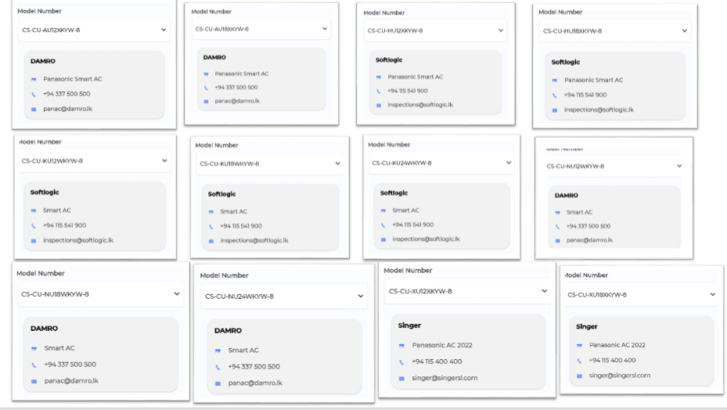
9 | Login Sri Lanka User>Profile>MirAie Tab>Change language to Tamil | 1. App language change to Tamil 2. No font change 3. No Boxed icons | Pass
10 | Login Sri Lanka User >Setting | App Tour , Terms & Conditions , Privacy Policy , Third Party Licenses , Upgrade Firmware , Contact Us , Send your Feedback | Pass
11 | Login Sri Lanka User >Setting>Upgrade Firmware |  | Pass
12 | Login Sri Lanka User >Setting >Contact Us | Support Models must show with distributor details | Pass
13 | Login Sri Lanka User >Click on "+" Button in Dashboard | Must Support Air Conditioner | Pass
14 | Login Sri Lanka User >Click on "+" Button in Room | Must Support Air Conditioner | Pass
15 | Login Sri Lanka User > On-boarding for Some Appliance from Dashboard | On-boarding must be successful | Pass
16 | Login Sri Lanka User > On-boarding for Some Appliance from Room | On-boarding must be successful and Device must listed in that particular ROOM | Pass
17 | Login Sri Lanka User >Click on ROOM >Device listing in ROOM | In ROOM , AC must show | Pass
25 | Login Sri Lanka User> Control AC from Dashboard | Control Power ON / Off , Change mode for AC -Auto , Cool , Dry , FAN , Change temperature from Min 16 to max 30 , Online and Offline Status with Green Dot | Pass
26 | Login Sri Lanka User > Control AC from AC Details Page | Control Power ON / Off , Change mode for AC -Auto , Cool , Dry , FAN , Change temperature from Min 16 to max 30 , Change FAN Speed from Auto , high , low , medium and quiet , Enable /Disable AC Display , Enable/Disable Jetstream/Powerful Mode , Change Vertical Swing from 0 to 5 level , Change Horizontal Swing from 0 to 5 level , Change , Enable/Disable nanoe , Enable/Disable Econavi , Enable/Disable Clean Mode | Pass
27 | Login Sri Lanka User> Control AC from AC Details Page >Default /Custom Sleep Profile | 1. Enable/Disable Default Profile 2. Create Custom Profile [2 Minimum Hours and 8 Maximum Hour] 3. Enable and Disable Custom profile | Pass
28 | Login Sri Lanka User > Control AC from AC Details Page >ON Timer and OFF Timer | Timer ON - Switch ON AC Timer OFF - Switch OFF AC | NT | No have HAMCU Support AC with Timer
29 | Login Sri Lanka user > Select Any product > go to setting page > Click on Remove Device [offboarding Product] | User must not able to see product in dashboard after offboarding | Pass
30 | Login Singapore User> Control All Onboarded device from Room | User must able to control device | Pass

Push Notification
Product | Use Case | Notifications Contents | Landing Page | Pass/Fail
Refrigerator | Fridge/Freezer Door Open | Title Fridge/Freezer Door Open Body Your fridge/freezer door is open. Please ensure to close the door firmly and protect your food from spoiling. | Refrigerator Details Page | Pass
Refrigerator | Power Outage | Title Power Outage Body Your refrigerator power supply was interrupted. Check the quality of Refrigerator content before consuming. | Refrigerator Details Page | Pass
Airconditioner , Smart Profile | Rule Notification for AC and Smart Profile | Title Rule activation successful Body Rule '<ruleName>' activated successfully. Tap to see the rule. | Sleep Profile page | Pass
Washing Machine -FLWM | Washing Completed | Title Washing Completed Body Washing completed. Please do not keep washed out clothes for long in the washing machine. | Wash Progress Page | Pass
Washing Machine -FLWM | Washing Paused/Stopped | Title Washing Completed Body <Device Name>: Current wash cycle is paused/Stopped | Wash Progress Page | Pass
Washing Machine -TLWM | Washing Completed | Title Washing Completed Body Washing completed. Please do not keep washed out clothes for long in the washing machine. | Wash Progress Page | Pass
Washing Machine -TLWM | Washing Paused/Stopped | Title Washing Paused/Stopped Body <Device Name>: Current wash cycle is paused/Stopped | Wash Progress Page | Pass
Washing Machine -TLWM | Washing Paused -Auto Pause [After Soak] | Title Washing Paused Body <Device Name>: paused After Soak | Wash Progress Page | Pass
Washing Machine -TLWM | Washing Paused -Auto Pause [After Wash] | Title Washing Paused Body <Device Name>: paused After Wash | Wash Progress Page | Pass
Washing Machine -TLWM | Washing Paused -Auto Pause [After Rinse 1] | Title Washing Paused Body <Device Name>: paused After Rinse 1 | Wash Progress Page | Pass
Washing Machine -TLWM | Washing Paused -Auto Pause [Before last Rinse] | Title Washing Paused Body <Device Name>: paused Before Last Rinse | Wash Progress Page | Pass
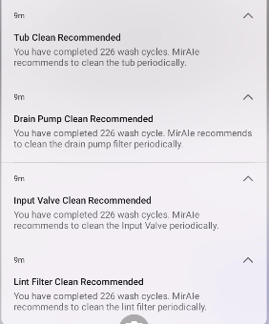
Washing Machine -TLWM | Drain Pump Clean Recommended | Title Drain Pump Clean Recommended Body You have completed … wash cycle. MirAIe recommends to clean the drain pump filter periodically. | Landing Page [Home Screen] | Pass
Washing Machine -TLWM | Tub Clean Recommended | Title Tub Clean Recommended Body You have completed… wash cycle . MirAIe recommends to clean the Tub periodically. | Landing Page[Setting>Clean Tub] | Pass
Washing Machine -TLWM | Input Valve Clean Recommended | Title Input Valve Clean Recommended Body You have completed.. Wash cycle. MirAie recommended to clean the Input Valve periodically. | Landing Page[Setting>Clean Input Valve] | Pass
Washing Machine -TLWM | Lint filter Clean Recommended | Title Lint filter Clean Recommended Body You have completed.. Wash cycle. MirAie recommended to clean the lint filter periodically. | Landing Page[Setting>Clean Lint Fitler] | Pass
VDP | Bell Ring | Title Button Pressed Body Some rang the front door bell .Tap to know who | VDP Details Page | Pass
VDP | Motion Detection | Title Pir Triggered Body A motion is detected by your door bell | VDP Details Page | Pass
VDP | Battery Low | Title Battery Low Body Your door bell is discharging fast. Please plug it to a power source to avoid disconnection . | VDP Details Page | NT
VDP | Temper Alert | Title Temper Alert! Body Your door bell is being removed, if its not you then someone is trying to temper . | VDP Details Page | Pass

